Terminology
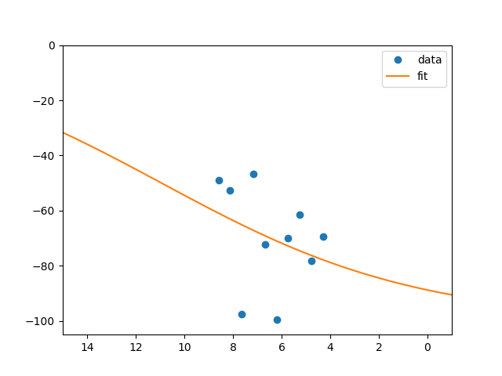
Run | Set of DMTA cycles

Cycle | A complete set of stages that will generate an optimised compound, given a core compound and reagent list

Stages | Design/Analysis
 | Synthesis
 | Purification
 | Testing

Compound | Combination of a core and reagent(s)

Core | A constant compound throughout the run

R# | Derived from reagent #

SMILE string | Compound universal Identifier, i.e.: Cc1cnc(c(c1OC)C)CS(=O)c2[BnH]Dc3cc(ccc3n2)OC

Compound structure | The graphical representation of a compound
 | Can be generated on the fly at PIPELINE (Chemistry connect): http://compounds.rd.astrazeneca.net/resources/structure/toimage/Cc1cnc(c(c1OC)C)CS(=O)c2%5BnH%5Dc3cc(ccc3n2)OC?inputFormat=SMILES&appid=pipelinepilot

Network folder | \\pipeline04.rd.astrazeneca.net\SharedData\autodmta\

Line graph image (IC50.png) | Concentration Response Curve
 | Example: \\pipeline04.rd.astrazeneca.net\SharedData\autodmta\input_bioassay\output_10.png

